Cover Page
NTINGA O. R. TAMBO DEVELOPMENT AGENCY SOC LTD

(A MUNICIPAL ENTITY OF THE O. R. TAMBO DISTRICT MUNICIPALITY : REGISTRATION NUMBER: 2016/272582/30)

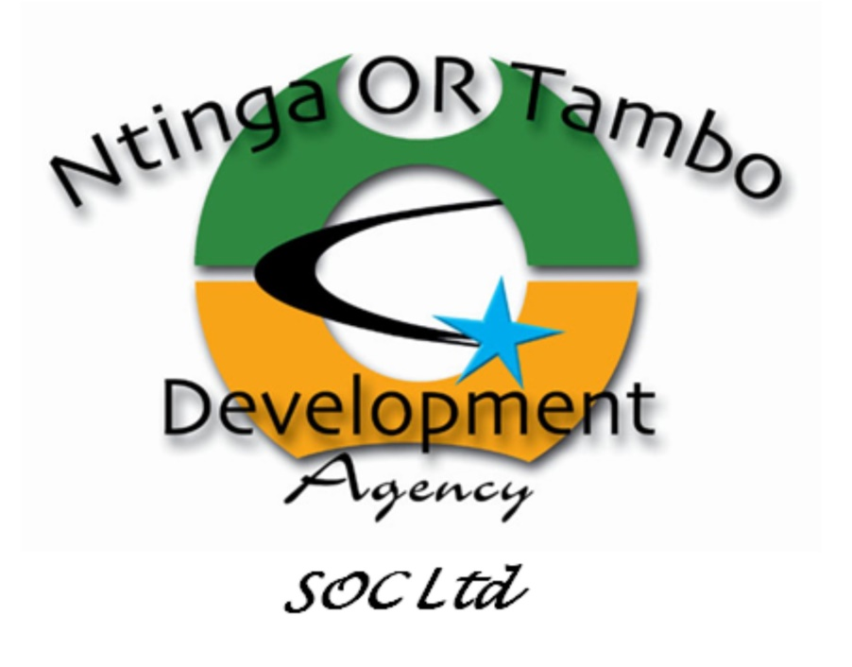

 | SOC Ltd

SERVICE DELIVERY AND BUDGET IMPLEMENTATION PLAN (SDBIP)

2024/25

